Pivot Tables
Pivot Tables For different Metrics:

Income By GeNDER
Row Labels | Sum of hh_income
Male | 5660950
Female | 1191500
Grand Total | 6852450

Agri_LOAN BY VALUE CHAIN
Count of applied_for_agric_loan | Column Labels
Value_Chain | No | Yes | Grand Total
Crop production | 257 | 87 | 344
Fish production | 34 | 11 | 45
Milk and Livestock production | 40 | 6 | 46

VALUE_CHAIN BY LAND SIZE & COUNTY
Value_Chain | Sum of total_land
Crop production | 964
Busia | 86
Embu | 107
Kirinyaga | 77
Kisumu | 112
Machakos | 257
Makueni | 148
Siaya | 178
Fish production | 87
Kisumu | 11
Siaya | 76
Milk and Livestock production | 54
Kiambu | 54

VALUE CHAIN BY HH_INCOME
Value_Chain | Sum of hh_income
Crop production | 4535450
Fish production | 1025500
Milk and Livestock production | 1291500

Value_Chain | Sum of fcs
Busia | 1979
Crop production | 1979
Embu | 5113.5
Crop production | 5113.5
Kiambu | 2977
Milk and Livestock production | 2977
Kirinyaga | 1841.5
Crop production | 1841.5
Kisumu | 2640.5
Crop production | 2381.5
Fish production | 259
Machakos | 2374
Crop production | 2374
Makueni | 2390.5
Crop production | 2390.5
Siaya | 5391
Crop production | 2965.5
Fish production | 2425.5

Value_Chain | Count of gender |  | Value_Chain | Count of gender
Crop production | 344 |  | Crop production | 344
Female | 69 |  | Female | 69
Male | 275 |  | Male | 275
Fish production | 45 |  | Fish production | 45
Female | 4 |  | Female | 4
Male | 41 |  | Male | 41
Milk and Livestock production | 46 |  | Milk and Livestock production | 46
Female | 15 |  | Female | 15
Male | 31 |  | Male | 31

Value_Chain | Count of applied_for_agric_loan |  | Value_Chain | Count of applied_for_agric_loan
Busia | 43 |  | Busia | 43
No | 25 |  | No | 25
Yes | 18 |  | Yes | 18
Embu | 91 |  | Embu | 91
No | 67 |  | No | 67
Yes | 24 |  | Yes | 24
Kiambu | 46 |  | Kiambu | 46
No | 40 |  | No | 40
Yes | 6 |  | Yes | 6
Kirinyaga | 33 |  | Kirinyaga | 33
No | 28 |  | No | 28
Yes | 5 |  | Yes | 5
Kisumu | 49 |  | Kisumu | 49
No | 30 |  | No | 30
Yes | 19 |  | Yes | 19
Machakos | 43 |  | Machakos | 43
No | 34 |  | No | 34
Yes | 9 |  | Yes | 9
Makueni | 42 |  | Makueni | 42
No | 37 |  | No | 37
Yes | 5 |  | Yes | 5
Siaya | 88 |  | Siaya | 88
No | 70 |  | No | 70
Yes | 18 |  | Yes | 18

GeNDER BY FOOD CONSUMPTION
Value_Chain | Sum of fcs
Male | 20036.5
Female | 4670.5

Value_Chain |  | 3
Crop production
Fish production
Milk and Livestock production

Value_Chain
Busia |  | 8
Embu
Kiambu
Kirinyaga
Kisumu
Machakos
Makueni
Siaya

Dashboard
COUNTYS' VALUE_CHAIN TRENDS
Total House Hold Income
$6,852,450.00
Land Size (Hectares)
1105.38
Countys Count:
8

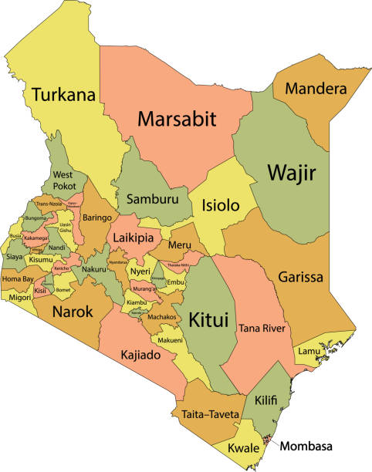
Income By GeNDER
 | Total
Male | 5660950
Female | 1191500
Agri_LOAN BY VALUE CHAIN
 | No | Yes
Crop production | 257 | 87
Fish production | 34 | 11
Milk and Livestock production | 40 | 6

VALUE CHAIN BY HH_INCOME
 | Total
Crop production | 4535450
Fish production | 1025500
Milk and Livestock production | 1291500

GeNDER BY FOOD CONSUMPTION
 | Total
Male | 20036.5
Female | 4670.5

VALUE_CHAIN BY LAND SIZE & COUNTY
 | Total
Busia | 86
Embu | 107
Kirinyaga | 77
Kisumu | 112
Machakos | 257
Makueni | 148
Siaya | 178
Kisumu | 11
Siaya | 76
Kiambu | 54

